Walk-through Test
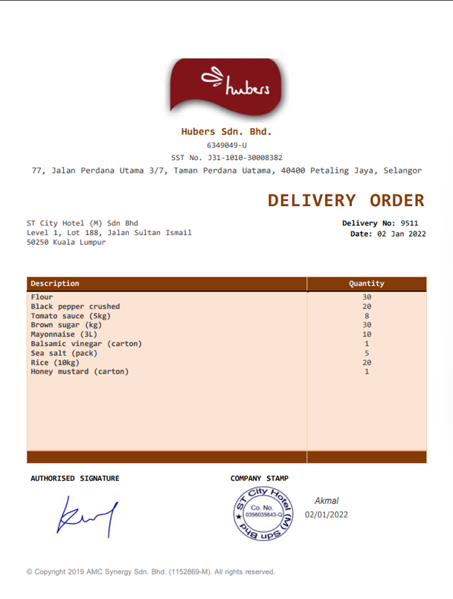
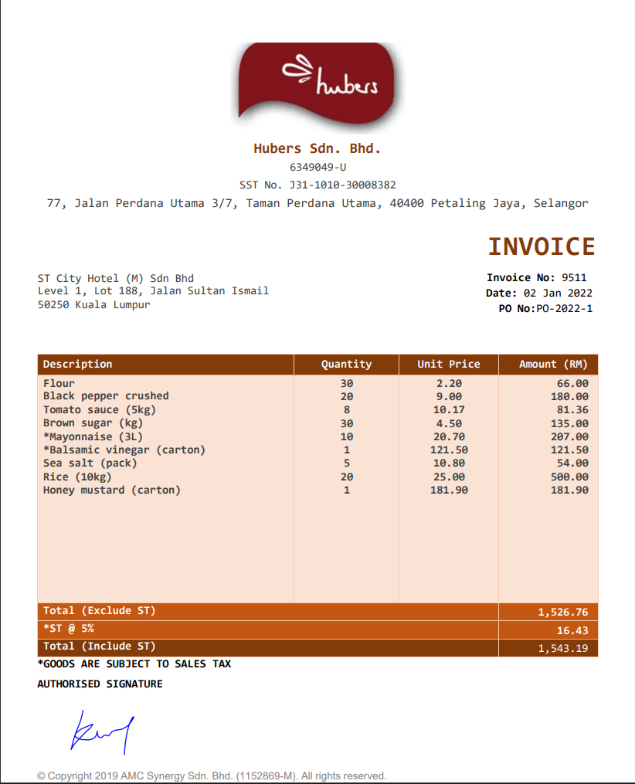
Walk-Through Test

Forward sample
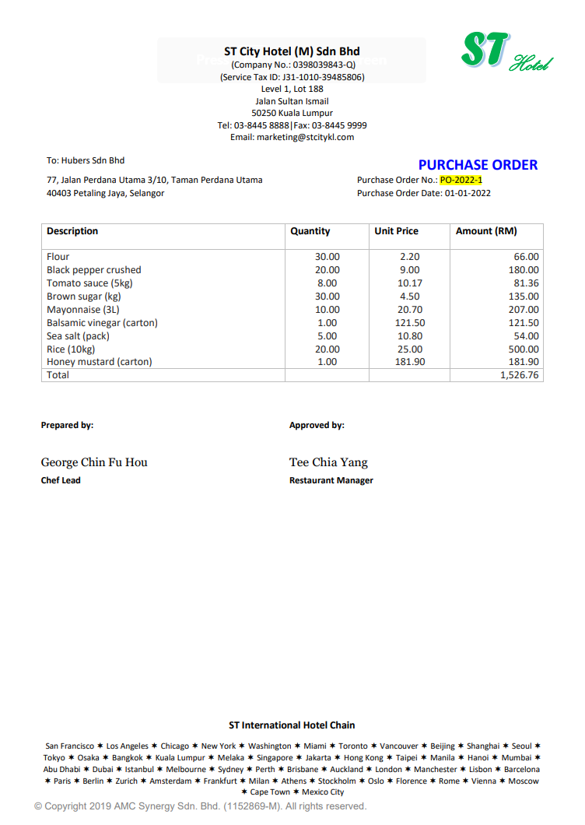
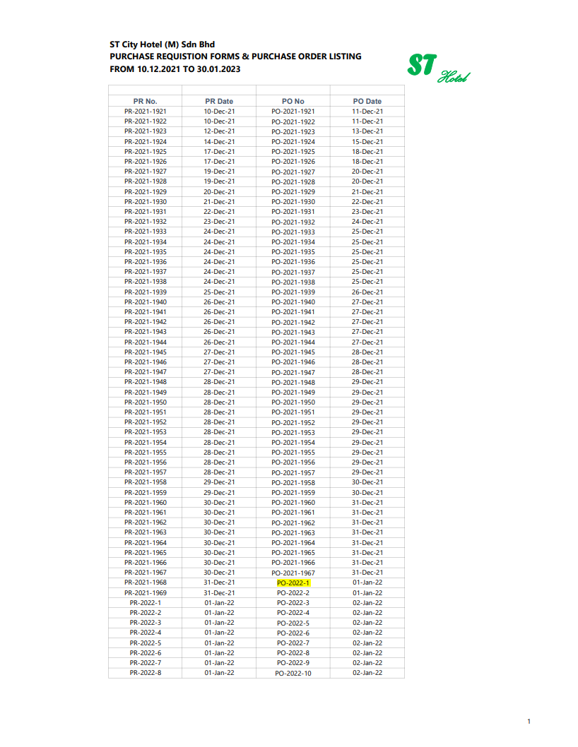

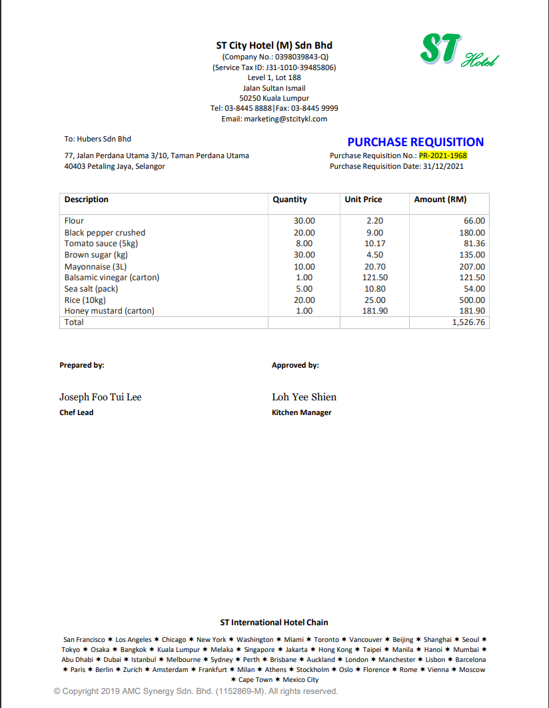
 | Ordering |  | Processing |  | Invoicing |  | Recording
1 | The relevant unit will initiate the purchase requisition (PR-2021-1968) and forward to Head of department for approval. | 3 | Supplier will send goods with delivery order (9511). | 4 | Supplier will then send invoice (9511) for the purchase | 5 | The executive account prepares the payment voucher and sent to accountant for approval.

2 | Once approved, a purchase order (PO-2022-1) will be generated and sent to supplier. |  |  |  |  | 6 | The accountant will then reflect the payment in the general ledger.

Backward Sample
 | Recording |  | Invoicing |  | Processing |  | Ordering
1 | The accountant will then reflect the payment in the general ledger. | 3 | Supplier will then send invoice (9511) for the purchase. | 4 | Supplier will send goods with delivery order (9511). | 5 | Once approved, a purchase order (PO-2022-1) will be generated and sent to supplier.

2 | The executive account prepares the payment voucher and sent to accountant for approval. |  |  |  |  | 6 | The relevant unit will initiate the purchase requisition (PR-2021-1968) and forward to Head of department for approval.

